EVD_FIN 02-04
Test Case ID | FIN02-04
Test Case Summary | Lakukan entry manual Received Voucher - lakukan reversal

Step # | Test Evidence |  |  | Re-Test Evidence (if found Bug/Issue)
1
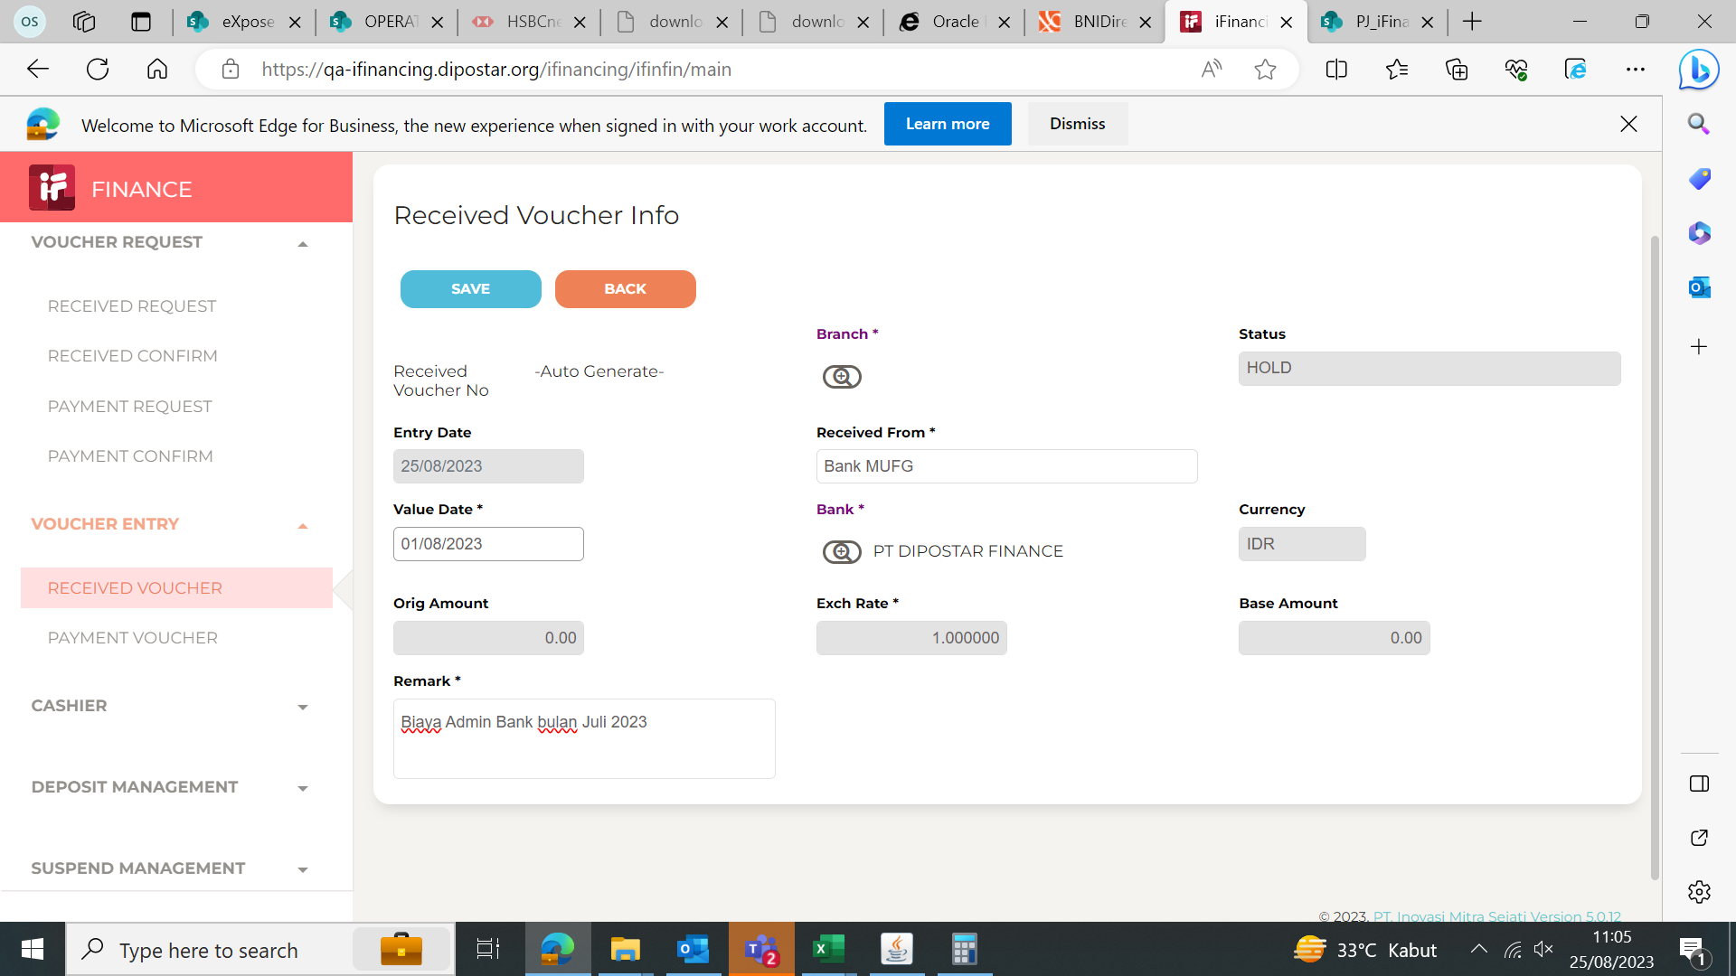

2
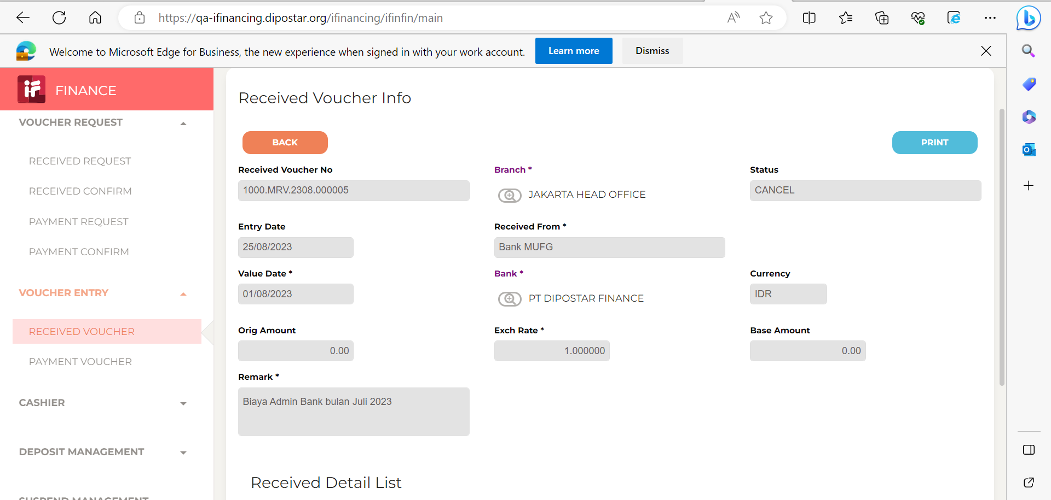

3

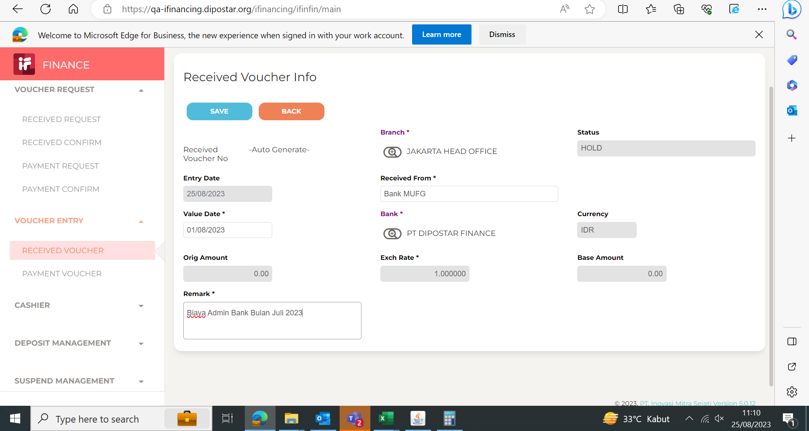

4
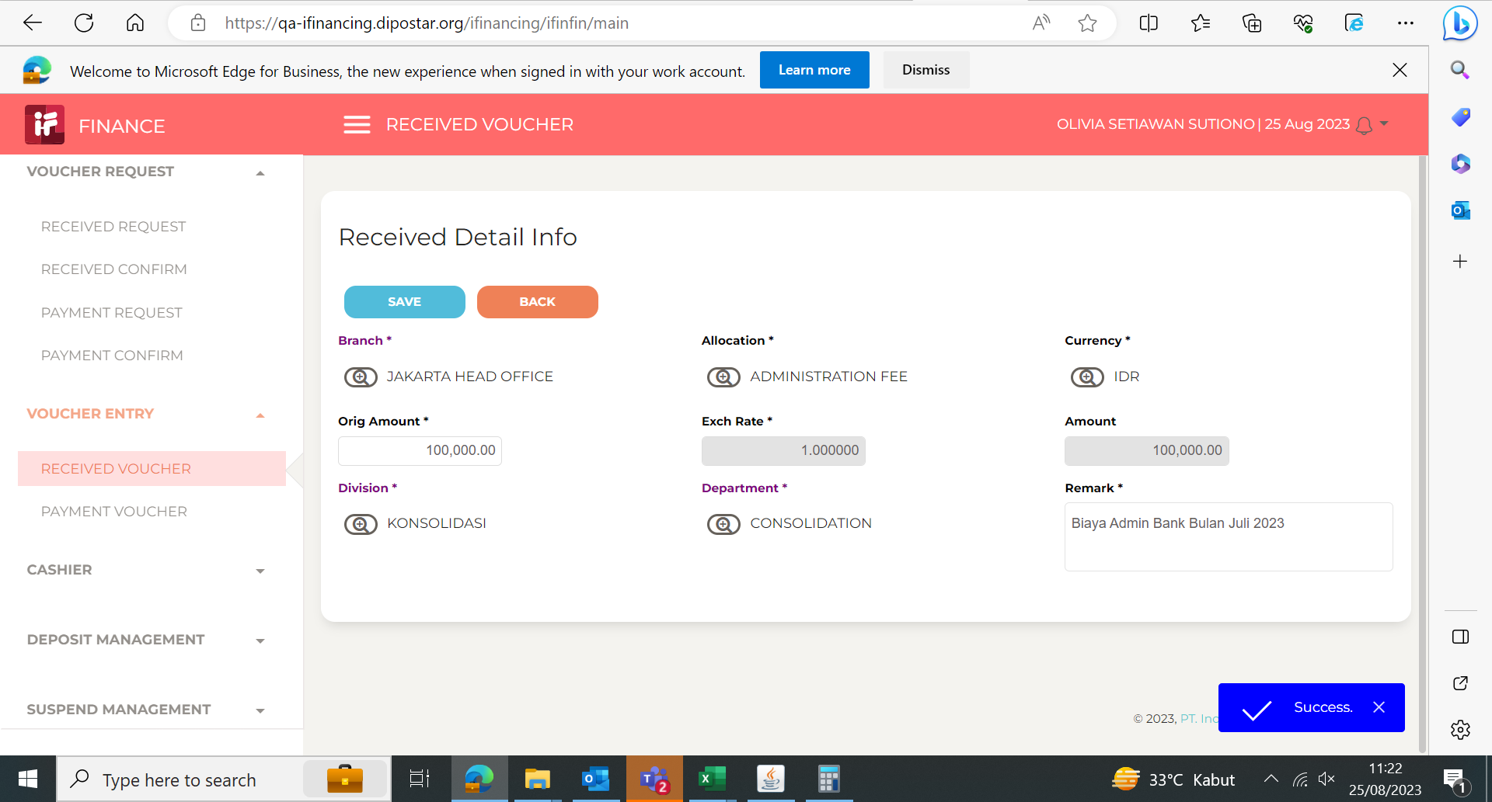
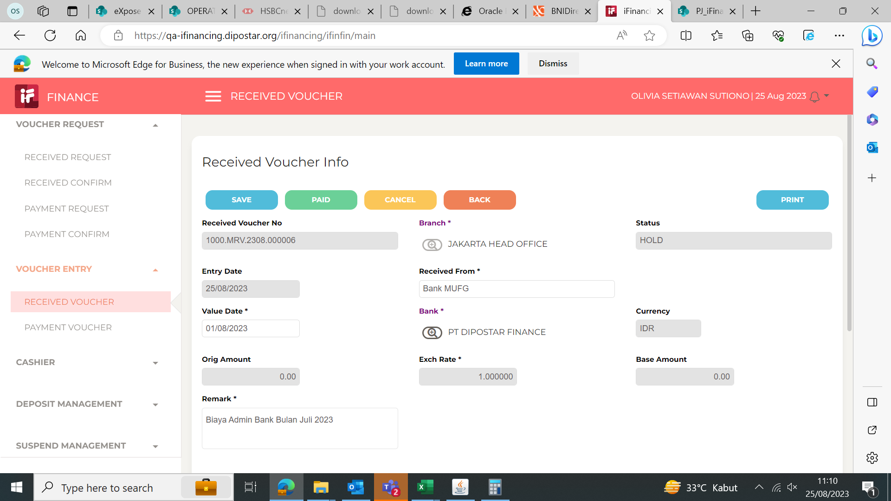

5

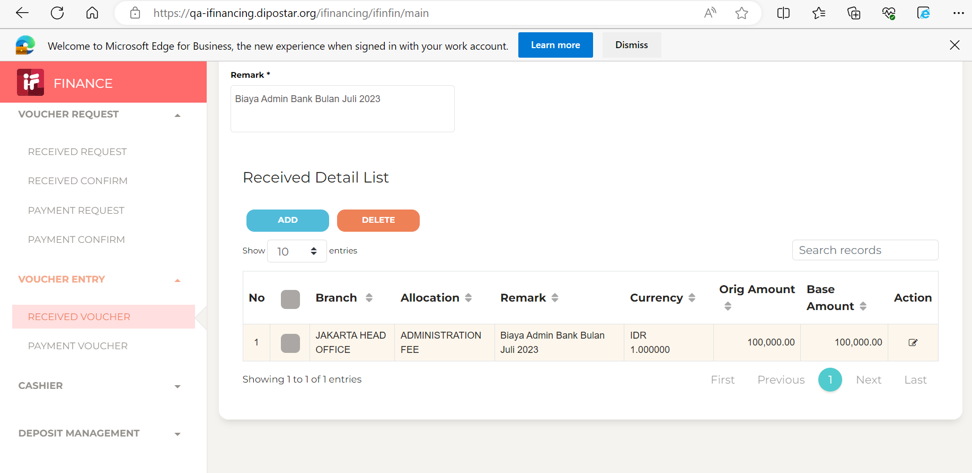

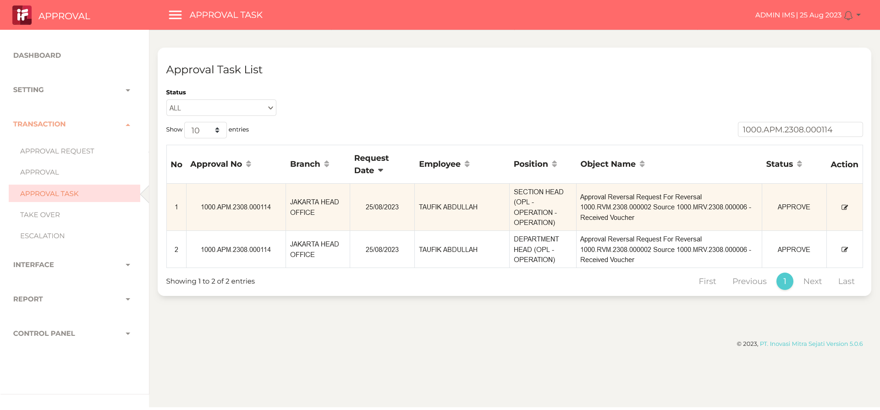
6 |  | 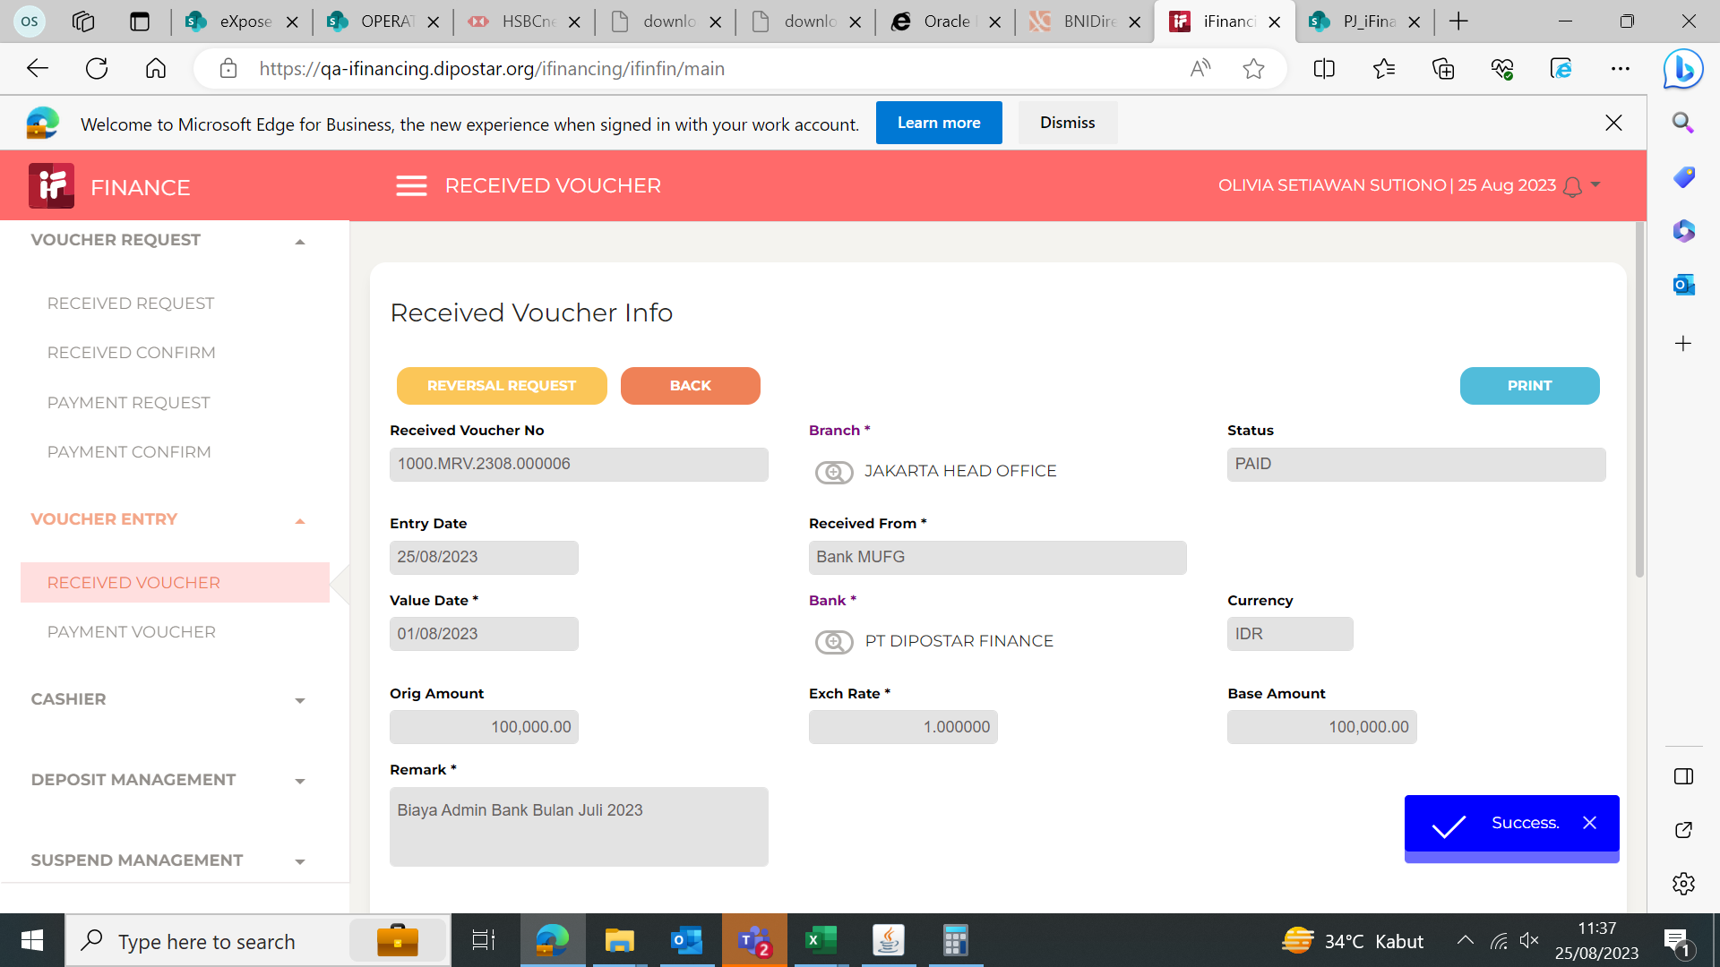 | 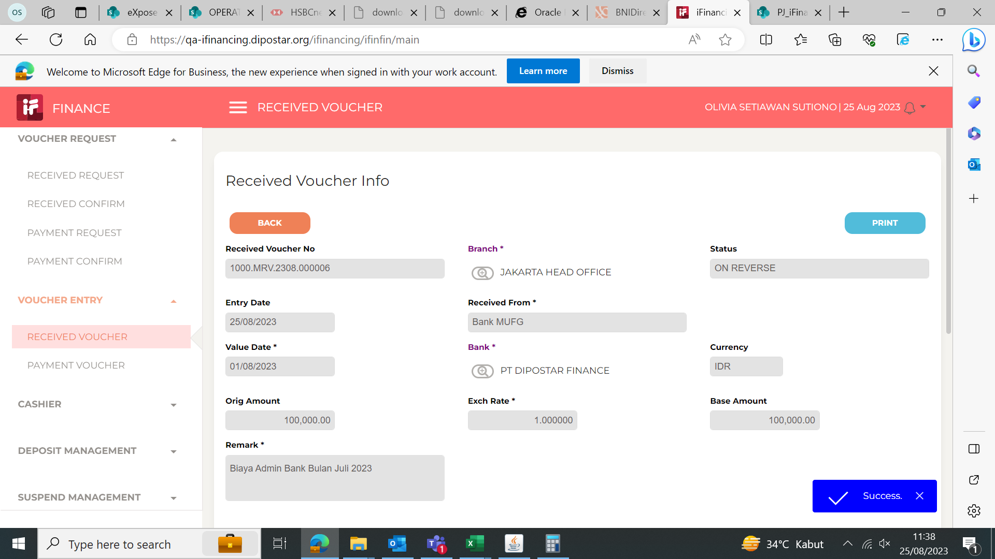
 | 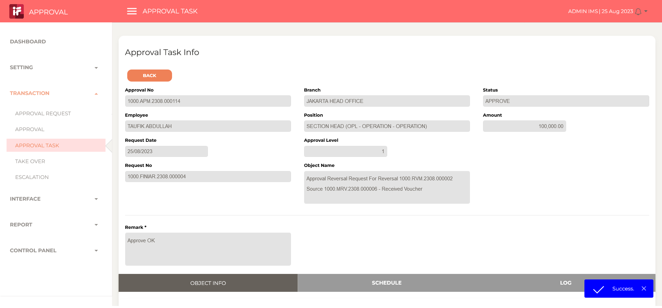

7

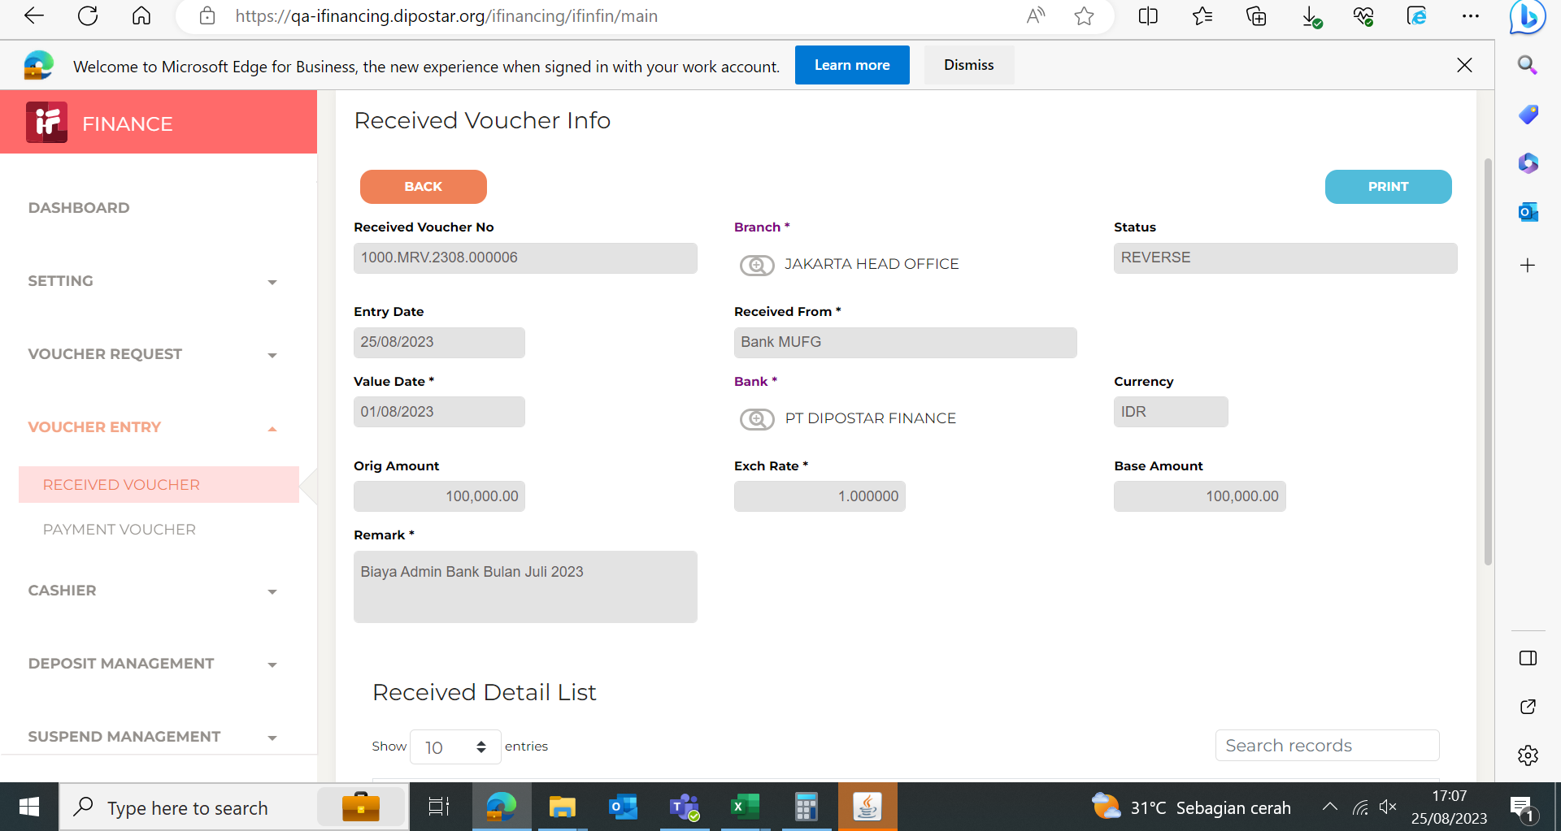

8

9

10

11

13

14

15

16

17

18

19

20

21

22

36

37

38

39

41

43

44

45

46

